Woman Bosses Makeover
Women as Bosses Makeover

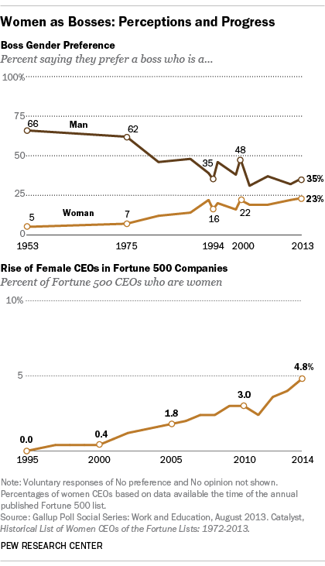
 | ORIGINAL VISUAL |  | DATA TO GRAPH
 | http://www.pewresearch.org/fact-tank/2014/08/07/perceptions-about-women-leaders-improve-but-gap-remains/ | . | Note: only plotting those points labeled in original graph
 |  |  | Note: assumed remainder are those stating "no preference" |  |  |  | CEOs
 |  |  |  |  |  |  |  | % female | % male
 |  |  |  | Man | No preference | Woman | 1995 | 0% | 100.00%
 |  |  | 1953 | 66% | 29% | 5% | 2000 | 0.04% | 99.96%
 |  |  | 1975 | 62% | 31% | 7% | 2005 | 1.80% | 98.20%
 |  |  | 1994 | 35% | 49% | 16% | 2010 | 3.00% | 97.00%
 |  |  | 2013 | 35% | 42% | 23% | 2014 | 4.80% | 95.20%

 |  |  | Graph at left good for "the gap has narrowed", but leaves out a big piece of the picture with the category not shown - no preference
 |  |  | Consistent gap between years (note: not exactly the same, but close)
 |  |  | Not sure why 2000 is called out - increase in preference for both male & female bosses

 |  |  | MAKEOVER

 |  |  | Boss gender preference: the past 60 years |  |  |  |  |  | Boss gender preference: the past 60 years
 |  |  | % saying they prefer a boss who is a… |  |  |  |  |  | % saying they prefer a boss who is a…

Woman
No preference
Man

No preference
Man
Woman

 |  |  |  |  |  |  |  |  | Wanted to see what this would look like, but don't think it's as effective.

 |  |  | Female CEOs: the past 20 years
 |  |  | % of Fortune 500 CEOs who are women
Male CEOs
Woman CEOs

 | Changing frame of reference quickly puts this "success" story into context…

Side by Side
ORIGINAL VISUALS | COLE'S MAKEOVERS

 | Women as bosses: perceptions & progress

 | Boss gender preference: the past 60 years
 | % saying they prefer a boss who is a…
 | Man | No preference | Woman
1953 | 66% | 29% | 5%
1975 | 62% | 31% | 7%
1994 | 35% | 49% | 16%
2013 | 35% | 42% | 23%
Woman
No preference
Man

 | Female CEOs: the past 20 years
 | % of Fortune 500 CEOs who are women
 | % female | % male
1995 | 0.00% | 100.00%
2000 | 0.04% | 99.96%
2005 | 1.80% | 98.20%
2010 | 3.00% | 97.00%
2014 | 4.80% | 95.20%
Male CEOs
Woman CEOs

